PIVOT TABLE
TOP PRODUCTS
TOTAL SALES ANALYSIS |  | QUANTITY SOLD ANALYSIS |  |  | SALES BY STATE |  | MONTHLY SALES TREND |  |  | PAYMENT METHOD ANALYSIS
Row Labels | Sum of Sales | Row Labels | Sum of Quality |  | Row Labels | Sum of Sales | Row Labels | Sum of Sales |  | Row Labels | Sum of Sales |  | BRAND PERFORMANCE
Fearless Energy | ₦ 168,700 | Coca-Cola 50cl | 284 |  | Kano | ₦ 815,900.00 | Mar | ₦ 551,440 |  | POS | ₦ 353,000 |  | Row Labels | Sum of Sales
Maltina Can | ₦ 166,400 | Maltina Can | 256 |  | Grand Total | ₦ 815,900.00 | Jan | ₦ 243,780 |  | Transfer | ₦ 262,380 |  | Coca-Cola | ₦ 276,980
Coca-Cola 50cl | ₦ 142,000 | Fanta Orange | 254 |  |  |  | Apr | ₦ 20,680 |  | Cash | ₦ 200,520 |  | Fearless | ₦ 168,700
Monster Energy | ₦ 118,800 | Fearless Energy | 241 |  |  |  | Grand Total | ₦ 815,900 |  | Grand Total | ₦ 815,900 |  | Maltina | ₦ 166,400
Fanta Orange | ₦ 114,300 | Pepsi 50cl | 134 |  |  |  |  |  |  |  |  |  | Monster | ₦ 118,800
Pepsi 50cl | ₦ 64,320 | Monster Energy | 132 |  |  |  |  |  |  |  |  |  | Pepsi | ₦ 64,320
7up 50cl | ₦ 20,700 | 7up 50cl | 45 |  |  |  |  |  |  |  |  |  | 7up | ₦ 20,700
Sprite 50cl | ₦ 20,680 | Sprite 50cl | 44 |  |  |  |  |  |  |  |  |  | Grand Total | ₦ 815,900
Grand Total | ₦ 815,900 | Grand Total | 1390 |  |  |  | SALES REP PERFORMANCE |  |  |  | CUSTOMER TYPE ANALYSIS
 |  |  |  |  |  |  | Row Labels | Sum of Sales | Sum of Profit |  | Row Labels | Sum of Sales
₦ 815,900 |  |  |  |  |  |  | Abdullahi Yahaya | ₦ 815,900 | ₦ 247,600 |  | Retailer | ₦ 394,940
 |  | SALES BY REGION |  |  | CUSTOMER PURCHASE ANALYSIS |  | Grand Total | ₦ 815,900 | ₦ 247,600 |  | Hotel | ₦ 224,460
 |  | Row Labels | Sum of Sales |  | Row Labels | Sum of Sales |  |  |  |  | Restaurant | ₦ 147,000
BRAND PROFIT
 |  | North West | ₦ 815,900.00 |  | Kings Retail | ₦ 205,300.00 |  |  |  |  | Supermarket | ₦ 49,500
TOTAL PROFIT ANALYSIS |  | Grand Total | ₦ 815,900.00 |  | Victory Mart | ₦ 187,400.00 |  |  |  |  | Grand Total | ₦ 815,900
Row Labels | Sum of Profit |  |  |  | Devine Mart | ₦ 142,140.00
Coca-Cola | ₦ 88,000 |  |  |  | Royal Drinks Hub | ₦ 91,000.00
Maltina | ₦ 54,500 |  |  |  | Bright Stores | ₦ 70,600.00 |  |  |  |  | TOTAL NUMBER OF OREDRS
Fearless | ₦ 47,600 |  |  |  | Emma Supermarket | ₦ 70,180.00 |  |  |  |  | Count of Order ID
Monster | ₦ 33,000 |  |  |  | City Mart | ₦ 49,280.00 |  |  |  |  | 22
Pepsi | ₦ 20,000 |  |  |  | Grand Total | ₦ 815,900.00 | Sum of Quality |  |  |  | 22
7up | ₦ 4,500 |  |  |  |  |  | 1390
Grand Total | ₦ 247,600 |  |  |  |  |  | 1390

₦ 247,600

 |  | Coca-Cola 50cl
 |  | 254 |  | Row Labels | Sum of Total Expenses
 |  |  |  | Fearless Energy | ₦ 121,100
 |  |  |  | Maltina Can | ₦ 111,900
 |  |  |  | Coca-Cola 50cl | ₦ 101,500
 |  |  |  | Monster Energy | ₦ 85,800
 |  |  |  | Fanta Orange | ₦ 73,800
 |  |  |  | Pepsi 50cl | ₦ 44,320
 |  |  |  | 7up 50cl | ₦ 16,200
 |  |  |  | Sprite 50cl | ₦ 13,680
 |  |  |  | Grand Total | ₦ 568,300

 |  |  |  |  | ₦ 568,300

DASHBOARD
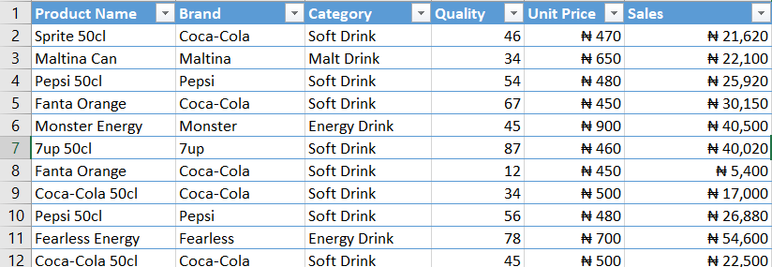
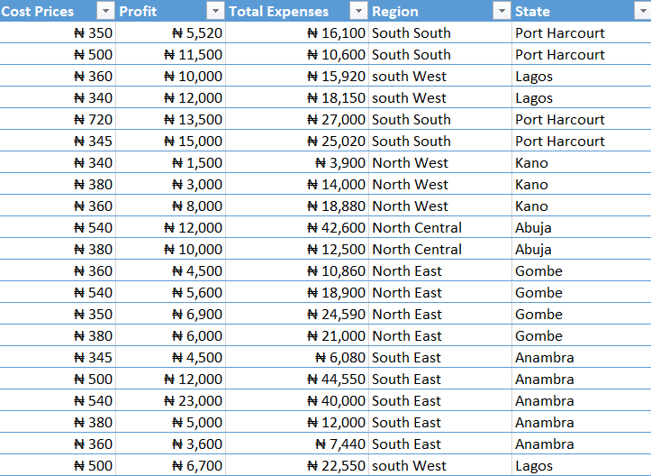
WHOLESALE SOFT DRINKS SALES ANALYSIS DASHBAORD
TOTAL REVENUE
TOTAL EXPENSES
TOTAL PROFIT
QTY SOLD
NUM OF OREDERS
BEST SOLD PRODUCT
₦ 815,900
₦ 568,300
₦ 247,600
1390
22
Coca-Cola 50cl
254

MONTHLY SALES
TOP BEST SELLING PRODUCTS
SALES BY PAYMENT METHOD
 | Total
Mar | ₦ 551,440
Jan | ₦ 243,780
Apr | ₦ 20,680
 | Total
Fearless Energy | ₦ 168,700
Maltina Can | ₦ 166,400
Coca-Cola 50cl | ₦ 142,000
Monster Energy | ₦ 118,800
Fanta Orange | ₦ 114,300
Pepsi 50cl | ₦ 64,320
7up 50cl | ₦ 20,700
Sprite 50cl | ₦ 20,680
 | Total
POS | ₦ 353,000
Transfer | ₦ 262,380
Cash | ₦ 200,520

PROFIT BY BAND
SALES BY TYPE
SALES BY REGION
 | Total
Coca-Cola | ₦ 88,000
Maltina | ₦ 54,500
Fearless | ₦ 47,600
Monster | ₦ 33,000
Pepsi | ₦ 20,000
7up | ₦ 4,500
 | Total
North West | ₦ 815,900.00
 | Total
Retailer | ₦ 394,940
Hotel | ₦ 224,460
Restaurant | ₦ 147,000
Supermarket | ₦ 49,500

